ZIP Code Map
Probability of Not Getting an Appointment When Needed, Zip Code, 2015

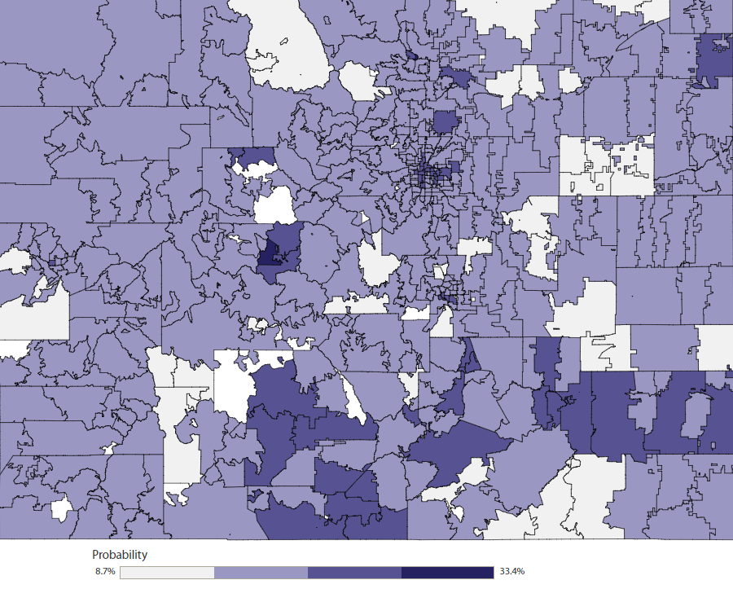
 | Click here to use the interactive map.

Health Statistics Regions
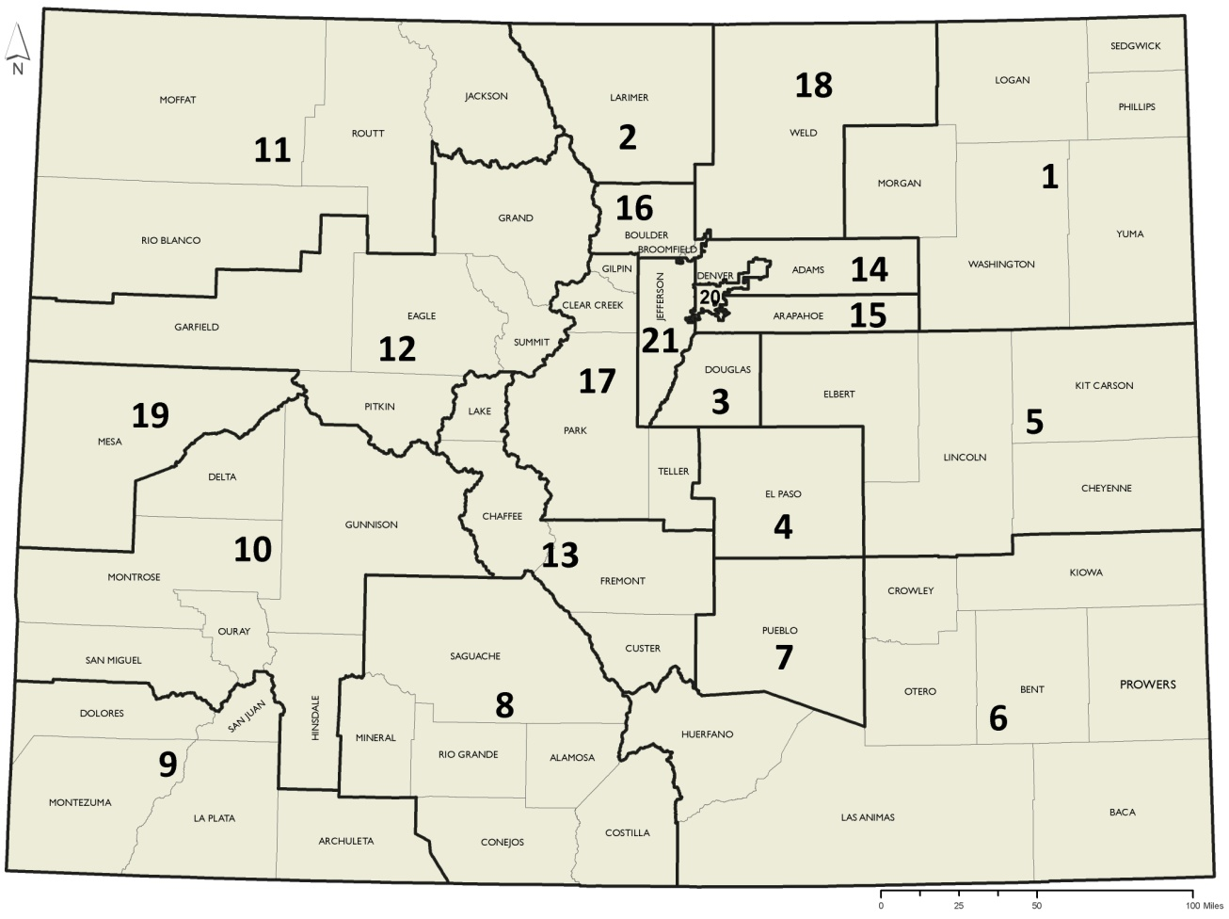
Health Statistics Regions, Colorado

